grain size analysis
before the flood (2010)
after the flood (2010)
mean
percent passing(%)
particle size (mm)
* grain-size distribution of bed material (2010) _ Grab sampler(60L)
particle size time | D35(mm) | D50(mm) | D65(mm) | D90(mm) | 균등계수 Coefficient of uniformity (Cu) | 곡률계수 Coefficient of curvature (Cg)
평군 (mean) | 0.30 | 0.36 | 0.43 | 0.82 | 2.44 | 1.14

before the flood (2011)
after the flood (2011)
mean
percent passing(%)
particle size (mm)
* grain-size distribution of bed material (2011) _ grid sampling(Hack_1947)
particle size time | D35(mm) | D50(mm) | D65(mm) | D90(mm) | 균등계수 Coefficient of uniformity (Cu) | 곡률계수 Coefficient of curvature (Cg)
평군 (mean) | 0.32 | 0.38 | 0.46 | 1.02 | 2.48 | 1.17

* grain-size distribution of bed material (2012) _ grid sampling(Hack_1947)

* particle size distribution of suspended sediment (2012) |  |  |  |  |  |  |  |  |  | * grain-size distribution of bed material (2012)

No | particle size distribution of suspended sediment (%) |  |  |  |  |  |  |  |  | particle size time | D10 | D30 | D35 | D60 | D65 | 균등계수 Coefficient of uniformity (Cu) | 곡률계수 Coefficient of curvature (Cg)
 | range (mm) |  |  |  |  |  |  |  | sum | 홍수전 (before the flood) | 0.18 | 0.27 | 0.31 | 0.42 | 0.45 | 1.54 | 0.99
 | 0.0020~ | 0.0222~ | 0.0313~ | 0.0423~ | 0.0626~ | 0.1251~ | 0.2501~ | 0.5001~ |  | 홍수후(after the flood ) | 0.16 | 0.22 | 0.23 | 0.32 | 0.35 | 1.50 | 0.91
 | 0.0221 | 0.0312 | 0.0422 | 0.0625 | 0.125 | 0.25 | 0.5 | 1 |  | 평균 (mean) | 0.17 | 0.24 | 0.25 | 0.37 | 0.40 | 1.58 | 0.90
1 | 51.9 | 14.5 | 17.7 | 7.4 | 6.4 | 1.4 | 0.5 | 0.2 | 100 | particle size time | D5 | D10 | D15 | D20 | D25 | D30 | D35 | D40 | D45 | D50 | D55 | D60 | D65 | D70 | D75 | D80 | D85 | D90 | D95 | D100
2 | 40.7 | 16.1 | 36.3 | 2 | 0.7 | 2.6 | 1.2 | 0.4 | 100 | 홍수전 (before the flood) | 0.15 | 0.18 | 0.21 | 0.23 | 0.25 | 0.27 | 0.31 | 0.33 | 0.36 | 0.38 | 0.41 | 0.42 | 0.45 | 0.48 | 0.53 | 0.60 | 0.69 | 0.79 | 0.90 | 16.00
3 | 46.4 | 10.6 | 17.7 | 14.6 | 10.1 | 0.5 | 0.1 | 0 | 100 | 홍수후 (after the flood ) | 0.14 | 0.16 | 0.17 | 0.19 | 0.20 | 0.22 | 0.23 | 0.24 | 0.26 | 0.28 | 0.31 | 0.32 | 0.35 | 0.37 | 0.39 | 0.42 | 0.44 | 0.47 | 0.53 | 16.00
4 | 34.4 | 14.5 | 47.1 | 2.1 | 1 | 0.8 | 0.1 | 0 | 100 | 평균 (mean) | 0.14 | 0.17 | 0.19 | 0.20 | 0.22 | 0.24 | 0.25 | 0.27 | 0.31 | 0.32 | 0.35 | 0.37 | 0.40 | 0.42 | 0.45 | 0.47 | 0.53 | 0.63 | 0.79 | 16.00
5 | 48.4 | 12.4 | 17.2 | 10.5 | 8.3 | 2.4 | 0.8 | 0 | 100
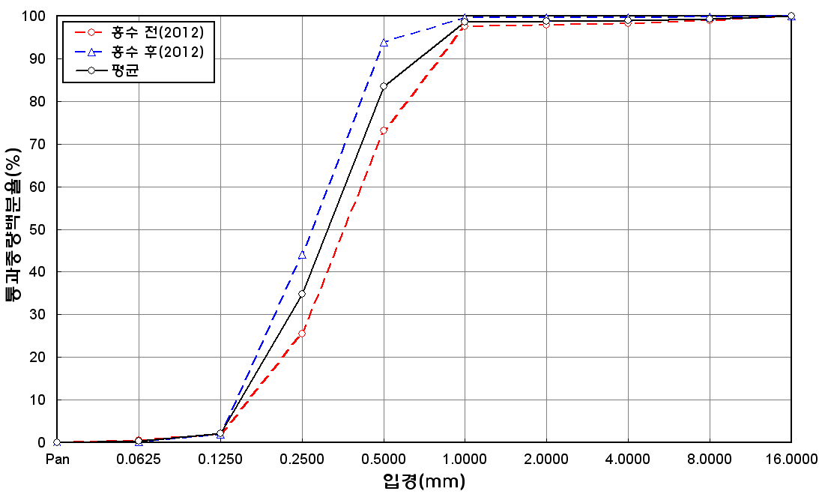
before the flood (2012)
after the flood (2012)
mean
percent passing(%)
particle size (mm)
6 | 49.9 | 20.7 | 21.7 | 2.7 | 2.7 | 1.5 | 0.7 | 0.1 | 100
7 | 52 | 21.3 | 19.8 | 0.9 | 2.2 | 2.3 | 1.3 | 0.2 | 100
8 | 52.1 | 23.3 | 17.5 | 5.7 | 0.9 | 0.1 | 0.4 | 0 | 100
9 | 50.5 | 19.8 | 21.5 | 5.7 | 0.7 | 1.2 | 0.5 | 0.1 | 100
10 | 51.2 | 16 | 20.3 | 6.2 | 4.9 | 0.8 | 0.5 | 0.1 | 100
11 | 43.9 | 13.1 | 20.1 | 11.8 | 4.1 | 4.6 | 1.4 | 1 | 100
12 | 49.3 | 19.4 | 21 | 5.5 | 2.4 | 1.3 | 0.8 | 0.3 | 100
13 | 45.6 | 19.2 | 18.5 | 5.9 | 6 | 2.9 | 1.3 | 0.6 | 100
14 | 47.9 | 18.9 | 20.3 | 5.1 | 4.6 | 2.2 | 1 | 0 | 100
15 | 40.9 | 15.8 | 15.4 | 6.4 | 16.4 | 4.9 | 0.2 | 0 | 100
16 | 49.7 | 16.7 | 18.6 | 10 | 2.8 | 1.3 | 0.5 | 0.4 | 100
17 | 47.9 | 17.8 | 23 | 6.5 | 3.1 | 0.8 | 0.8 | 0.1 | 100
18 | 52.5 | 14.6 | 15.2 | 8.4 | 7.2 | 1.8 | 0 | 0.3 | 100
19 | 49.3 | 18.5 | 20.5 | 8.6 | 2.8 | 0 | 0.2 | 0.1 | 100
20 | 54.4 | 16.5 | 19.5 | 5.5 | 3.4 | 0.5 | 0.2 | 0 | 100
21 | 53.9 | 22.9 | 21.8 | 1.1 | 0.3 | 0 | 0 | 0 | 100
22 | 50.8 | 20.3 | 13.9 | 0.8 | 0.2 | 9 | 3.8 | 1.2 | 100
23 | 56.4 | 17.1 | 23.3 | 1.6 | 1.5 | 0.1 | 0 | 0 | 100
24 | 49.2 | 21.3 | 20.1 | 3.9 | 4.5 | 0.9 | 0.1 | 0 | 100
25 | 51.2 | 15.9 | 14.2 | 8.5 | 5.8 | 2.7 | 1.5 | 0.2 | 100
26 | 51.4 | 16.4 | 19.3 | 6.2 | 3.4 | 2.4 | 0.9 | 0 | 100
27 | 48.5 | 15 | 18.6 | 7.9 | 6 | 2.3 | 1.4 | 0.3 | 100
28 | 50.4 | 16.5 | 18.7 | 8.3 | 4.6 | 1 | 0.5 | 0 | 100
29 | 55 | 13.6 | 17.2 | 5.3 | 4.2 | 2.9 | 1.8 | 0 | 100
30 | 49.9 | 16.2 | 19.7 | 9.3 | 4.3 | 0.3 | 0.3 | 0 | 100
31 | 53.8 | 12.4 | 19 | 8.3 | 5.6 | 0.4 | 0.4 | 0.1 | 100
32 | 53.7 | 12.7 | 19.9 | 6.9 | 5 | 1 | 0.7 | 0.1 | 100
33 | 50.5 | 15.6 | 16 | 7.8 | 7.2 | 1.7 | 1.2 | 0 | 100
34 | 51.2 | 13.5 | 17.7 | 7.6 | 6.1 | 2.1 | 1.1 | 0.7 | 100
35 | 50.2 | 10.9 | 17.8 | 11.8 | 7.7 | 0.4 | 0.9 | 0.3 | 100
36 | 49.8 | 9.5 | 16.1 | 10.7 | 10.6 | 2.2 | 0.5 | 0.6 | 100
37 | 44.2 | 14.4 | 23.1 | 10.3 | 7.3 | 0.1 | 0.6 | 0 | 100
38 | 43.4 | 11.6 | 17.1 | 12.7 | 11.3 | 2.5 | 1.3 | 0.1 | 100
39 | 42.9 | 11.6 | 18.1 | 11.7 | 13.4 | 1.2 | 1 | 0.1 | 100
40 | 42.5 | 11.9 | 17.6 | 11.6 | 15.1 | 0.9 | 0.4 | 0 | 100
41 | 42.1 | 11.1 | 18 | 11.9 | 14.1 | 2.5 | 0.3 | 0 | 100
42 | 43.7 | 11.3 | 17.7 | 12.6 | 13 | 1.2 | 0.4 | 0.1 | 100
min | 34.4 | 9.5 | 13.9 | 0.8 | 0.2 | 0 | 0 | 0 | -
max | 56.4 | 23.3 | 47.1 | 14.6 | 16.4 | 9 | 3.8 | 1.2 | -
mean | 48.7 | 15.7 | 19.9 | 7.3 | 5.8 | 1.7 | 0.8 | 0.2 | 100

* grain-size distribution of bed material (2014) _ grid sampling(Hack_1947)

* particle size distribution of suspended sediment (2014)_Laser Diffraction
 |  |  |  |  |  |  |  |  |  | * grain-size distribution of bed material (2014)_Sieve
No | particle size distribution of suspended sediment (%)
 | range (mm) |  |  |  |  |  |  |  |  | particle size time | D10 | D30 | D35 | D60 | D65 | 균등계수 Coefficient of uniformity (Cu) | 곡률계수 Coefficient of curvature (Cg)
 | 0.0020~ | 0.063~ | 0.126~ | 0.26~ | 0.51~ | 1.1~ | 2.1~ | 4.1~ |  | 홍수전 (before the flood) | - | - | - | - | - | - | -
 | 0.062 | 0.125 | 0.25 | 0.5 | 1 | 2 | 4 | 8 |  | 홍수후(after the flood ) | 0.20 | 0.30 | 0.32 | 0.39 | 0.40 | 1.95 | 1.15
1 | 82.28 | 11.23 | 3.83 | 0.67 | 0.18 | 0.01 | 0 | 0 |  | 평균 (mean) | - | - | - | - | - | - | -
2 | 82.07 | 10.56 | 2.97 | 1 | 1.01 | 0.45 | 0.05 | 0 |  | particle size time | D5 | D10 | D15 | D20 | D25 | D30 | D35 | D40 | D45 | D50 | D55 | D60 | D65 | D70 | D75 | D80 | D85 | D90 | D95 | D100
3 | 81.08 | 12.09 | 3.65 | 0.89 | 0.23 | 0.01 | 0 | 0 |  | 홍수전 (before the flood) | - | - | - | - | - | - | - | - | - | - | - | - | - | - | - | - | - | - | - | -
4 | 82.17 | 10.08 | 3.78 | 0.99 | 0.39 | 0.05 | 0 | 0 |  | 홍수후 (after the flood ) | 0.16 | 0.20 | 0.25 | 0.26 | 0.29 | 0.30 | 0.32 | 0.33 | 0.35 | 0.37 | 0.38 | 0.39 | 0.40 | 0.42 | 0.44 | 0.46 | 0.47 | 0.49 | 0.85 | 1.18
5 | 75.96 | 13.5 | 5.47 | 2.32 | 1.34 | 0.02 | 0 | 0 |  | 평균 (mean) | - | - | - | - | - | - | - | - | - | - | - | - | - | - | - | - | - | - | - | -
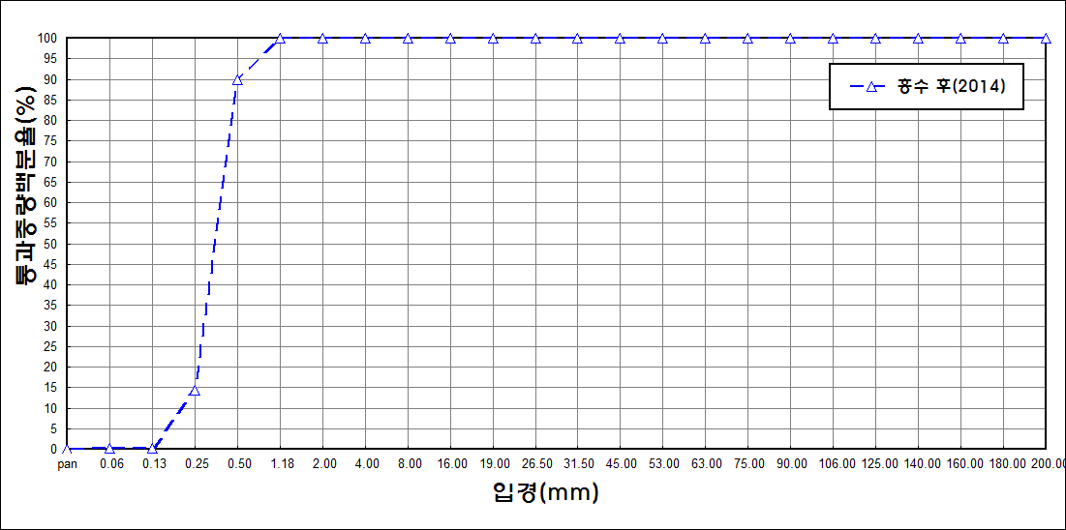
after the flood (2014)
percent passing(%)
particle size (mm)
6 | 68.8 | 18.55 | 8.21 | 2.53 | 1.09 | 0.1 | 0.05 | 0
7 | 59.62 | 17.63 | 10.73 | 6.68 | 4.48 | 0.19 | 0 | 0
8 | 74.03 | 13.98 | 9.64 | 0.99 | 0 | 0 | 0 | 0
9 | 75.46 | 14.45 | 6.46 | 1.38 | 0.77 | 0 | 0 | 0
10 | 78.55 | 13.08 | 4.95 | 1.53 | 0.41 | 0 | 0 | 0
11 | 87.96 | 8.11 | 1.75 | 0 | 0 | 0 | 0 | 0
12 | 86.17 | 8.49 | 2.2 | 0.11 | 0 | 0 | 0 | 0
13 | 83.94 | 10.07 | 3.35 | 0.4 | 0.01 | 0 | 0 | 0
14 | 84.68 | 10.49 | 2.79 | 0.18 | 0 | 0 | 0 | 0
15 | 80.75 | 12.36 | 4.82 | 0.48 | 0.01 | 0 | 0 | 0
mean | 78.9 | 12.31 | 4.97 | 1.34 | 0.66 | 0.06 | 0.01 | 78.9

